Characteristics
Medicare ID without leading 0 | Urban (0), Rural (1), Pediatric (2) based on HCPF definitions | System Ownership for purpose of Solvency Metric | Payer Mix Cost Report Yrs | Up to 3 yr Avg Medicaid Payer Mix (includes Psych/Rehab/Other subunits) | Low Discharge Cost Report Yrs | Up to 3 yr Avg Discharges (includes Psych/Rehab/Other subunits) | 2019/2020/2021 Operating Cash Flow Margin | System 2019/2020/2021 Operating Cash Flow Margin | System or Hospital Operating Cash Flow Margin % (whichever is higher) Based on up to 3 yrs worth of Hospital Transparency Data Provided by Hospitals to the Dept. 2019-2021 | Missing Data on Operating Cash Flow Margin % | Hospital Type / CMS IMPACT File for SCH/MDH
60001 | 0 | Banner Health | 2019-2021 | 35.1% | 2019-2021 | 8,880 | 8.4% | 11.1% | 11.1%
60003 | 0 | Centura Health CHI | 2019-2021 | 27.4% | 2019-2021 | 3,864 | 10.1% | 18.3% | 18.3%
60004 | 0 | SCL Health | 2019-2021 | 34.0% | 2019-2021 | 2,931 | 10.1% | 11.9% | 11.9%
60006 | 1 |  | 2019-2021 | 18.3% | 2019-2021 | 2,642 | 12.1% | NA | 12.1% |  | SCH
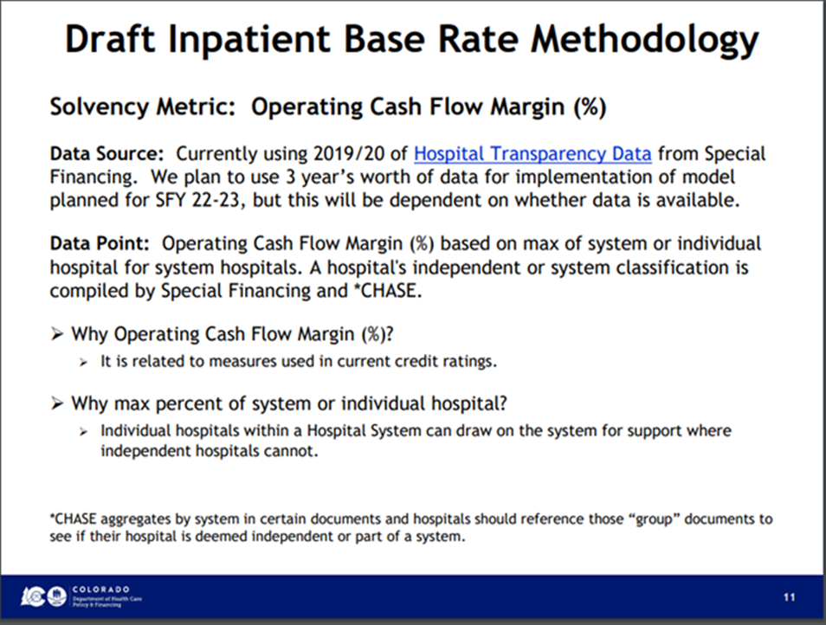
60008 | 1 | San Luis Valley | 2019-2021 | 28.7% | 2019-2021 | 1,967 | 5.9% | 6.8% | 6.8% |  | SCH
60009 | 0 | SCL Health | 2019-2021 | 26.5% | 2019-2021 | 14,051 | 5.2% | 11.9% | 11.9%
60010 | 0 | UCHealth | 2020-2022 | 24.4% | 2020-2022 | 12,687 | 20.5% | 13.7% | 20.5%
60011 | 0 |  | 2019-2021 | 55.3% | 2019-2021 | 19,387 | 4.6% | NA | 4.6%
60012 | 0 | Centura Health CHI | 2020-2022 | 27.1% | 2020-2022 | 1,692 | 2.5% | 18.3% | 18.3%
60013 | 1 | Centura Health CHI | 2020-2022 | 28.6% | 2020-2022 | 4,279 | 21.0% | 18.3% | 21.0% |  | SCH
60014 | 0 | HealthONE | 2019-2021 | 43.8% | 2019-2021 | 10,034 | 29.9% | 26.5% | 29.9%
60015 | 0 | Centura Health CHI | 2020-2022 | 22.4% | 2020-2022 | 12,317 | 15.9% | 18.3% | 18.3%
60020 | 0 |  | 2020-2022 | 29.6% | 2020-2022 | 17,263 | 6.1% | NA | 6.1%
60022 | 0 | UCHealth | 2020-2022 | 30.5% | 2020-2022 | 24,790 | 11.4% | 13.7% | 13.7%
60023 | 0 | SCL Health | 2019-2021 | 29.0% | 2019-2021 | 13,342 | 12.7% | 11.9% | 12.7% |  | SCH
60024 | 0 | UCHealth | 2020-2022 | 33.8% | 2020-2022 | 31,469 | 15.8% | 13.7% | 15.8%
60027 | 0 |  | 2019-2021 | 18.4% | 2019-2021 | 8,418 | 5.3% | NA | 5.3%
60028 | 0 | SCL Health | 2019-2021 | 27.9% | 2019-2021 | 17,136 | 14.1% | 11.9% | 14.1%
60030 | 0 | Banner Health | 2019-2021 | 22.7% | 2019-2021 | 2,737 | 13.6% | 11.1% | 13.6%
60031 | 0 | Centura Health CHI | 2020-2022 | 26.0% | 2020-2022 | 24,492 | 16.0% | 18.3% | 18.3%
60032 | 0 | HealthONE | 2019-2021 | 24.8% | 2019-2021 | 10,815 | 25.5% | 26.5% | 26.5%
60034 | 0 | HealthONE | 2019-2021 | 24.3% | 2019-2021 | 20,412 | 28.8% | 26.5% | 28.8%
60044 | 1 | Lifepoints | 2019-2021 | 18.3% | 2019-2021 | 886 | 21.6% | 21.6% | 21.6% | missing 2021 data | SCH
60049 | 1 | UCHealth | 2020-2022 | 26.0% | 2020-2022 | 1,110 | 13.2% | 13.7% | 13.7% |  | SCH
60054 | 0 |  | 2019-2021 | 22.0% | 2019-2021 | 3,112 | 12.5% | NA | 12.5%
60064 | 0 | Centura Health Adventist | 2019-2021 | 18.9% | 2019-2021 | 7,730 | 1.0% | 14.9% | 14.9%
60065 | 0 | HealthONE | 2019-2021 | 39.6% | 2019-2021 | 7,409 | 16.9% | 26.5% | 26.5%
60071 | 1 |  | 2019-2021 | 19.5% | 2019-2021 | 1,340 | 9.3% | NA | 9.3% |  | SCH
60075 | 1 |  | 2019-2021 | 36.9% | 2019-2021 | 2,906 | 13.1% | NA | 13.1% |  | SCH
60076 | 1 | Banner Health | 2019-2021 | 27.4% | 2019-2021 | 1,013 | 18.9% | 11.1% | 18.9% |  | SCH
60096 | 1 |  | 2019-2021 | 15.3% | 2019-2021 | 1,712 | 10.8% | NA | 10.8% |  | SCH
60100 | 0 | HealthONE | 2019-2021 | 31.9% | 2019-2021 | 16,717 | 15.1% | 26.5% | 26.5%
60103 | 0 | Centura Health Adventist | 2019-2021 | 33.7% | 2019-2021 | 4,270 | 19.9% | 14.9% | 19.9%
60104 | 0 | Centura Health CHI | 2020-2022 | 27.3% | 2020-2022 | 6,518 | 20.4% | 18.3% | 20.4%
60107 | 0 |  | 2020-2022 | 15.2% | 2020-2022 | 67 | 1.6% | NA | 1.6%
60112 | 0 | HealthONE | 2020-2022 | 13.4% | 2020-2022 | 15,414 | 33.3% | 26.5% | 33.3%
60113 | 0 | Centura Health Adventist | 2019-2021 | 14.9% | 2019-2021 | 9,128 | 16.6% | 14.9% | 16.6%
60114 | 0 | Centura Health Adventist | 2019-2021 | 17.5% | 2019-2021 | 8,098 | 24.2% | 14.9% | 24.2%
60116 | 0 | SCL Health | 2019-2021 | 14.5% | 2019-2021 | 12,190 | 15.4% | 11.9% | 15.4%
60117 | 1 |  | 2019-2021 | 2.5% | 2019-2021 | 597 | 17.5% | NA | 17.5%
60118 | 1 | Centura Health CHI | 2020-2022 | 27.9% | 2020-2022 | 1,299 | 39.1% | 18.3% | 39.1%
60119 | 0 | UCHealth | 2020-2022 | 16.4% | 2020-2022 | 10,845 | 20.4% | 13.7% | 20.4%
60124 | 0 | Centura Health CHI | 2019-2021 | 0.0% | 2020-2022 | 1,591 | 39.0% | 18.3% | 39.0%
60125 | 0 | Centura Health Adventist | 2019-2021 | 17.5% | 2019-2021 | 3,462 | 13.3% | 14.9% | 14.9%
60126 | 0 | Banner Health | 2019-2021 | 23.3% | 2019-2021 | 1,219 | 14.4% | 11.1% | 14.4%
60128 | 0 | UCHealth | 2020-2022 | 24.6% | 2020-2022 | 3,151 | -1.2% | 13.7% | 13.7%
60129 | 0 | UCHealth | 2020-2022 | 36.0% | 2020-2022 | 970 | -27.4% | 13.7% | 13.7%
60130 | 0 | UCHealth | 2020-2022 | 18.5% | 2020-2022 | 882 | -7.7% | 13.7% | 13.7%
60131 | 0 | UCHealth | 2021-2022 | 24.0% | 2021-2022 | 3,311 | -10.4% | 13.7% | 13.7% | missing 2019 data
60132 | 0 | UCHealth | 2021-2022 | 15.0% | 2021-2022 | 4,934 | -28.6% | 13.7% | 13.7%
61300 | 1 |  | 2019-2021 | 59.1% | 2019-2021 | 41 | 1.6% | NA | 1.6% |  | CAH
61301 | 1 |  | 2019-2021 | 8.3% | 2019-2021 | 510 | 7.9% | NA | 7.9% |  | CAH
61302 | 0 |  | 2019-2021 | 1.8% | 2019-2021 | 241 | 19.9% | NA | 19.9% |  | CAH
61303 | 1 | Banner Health | 2019-2021 | 18.1% | 2019-2021 | 447 | 9.9% | 11.1% | 11.1% |  | CAH
61304 | 1 |  | 2019-2021 | 55.4% | 2019-2021 | 84 | 19.3% | NA | 19.3% | missing 2019 data | CAH
61305 | 1 |  | 2019-2021 | 3.1% | 2019-2021 | 159 | 0.8% | NA | 0.8% |  | CAH
61306 | 1 |  | 2019-2021 | 4.4% | 2019-2021 | 161 | -8.4% | NA | -8.4% |  | CAH
61307 | 1 |  | 2019-2021 | 0.3% | 2019-2021 | 54 | -64.4% | NA | -64.4% |  | CAH
61308 | 1 | San Luis Valley | 2019-2021 | 6.5% | 2019-2021 | 197 | 13.7% | 6.8% | 13.7% |  | CAH
61309 | 1 |  | 2019-2021 | 21.0% | 2019-2021 | 330 | 3.5% | NA | 3.5% |  | CAH
61310 | 1 |  | 2019-2021 | 5.3% | 2019-2021 | 157 | 15.0% | NA | 15.0% |  | CAH
61311 | 1 |  | 2019-2021 | 4.5% | 2019-2021 | 169 | 5.9% | NA | 5.9% |  | CAH
61312 | 0 |  | 2019-2021 | 13.0% | 2019-2021 | 334 | -2.9% | NA | -2.9% |  | CAH
61313 | 1 |  | 2019-2021 | 8.5% | 2019-2021 | 174 | 8.1% | NA | 8.1% | missing 2019 data | CAH
61314 | 1 |  | 2019-2021 | 13.1% | 2019-2021 | 653 | 3.3% | NA | 3.3% | missing 2019 data | CAH
61315 | 1 |  | 2019-2021 | 9.8% | 2019-2021 | 179 | NA | NA | NA | no data | CAH
61316 | 1 |  | 2019-2021 | 58.8% | 2019-2021 | 153 | 9.2% | NA | 9.2% |  | CAH
61317 | 1 |  | 2019-2021 | 15.3% | 2019-2021 | 562 | -6.5% | NA | -6.5% |  | CAH
61318 | 1 |  | 2019-2021 | 61.0% | 2019-2021 | 139 | NA | NA | NA | no data | CAH
61319 | 1 |  | 2019-2021 | 22.4% | 2019-2021 | 107 | -17.4% | NA | -17.4% | missing 2021 data | CAH
61320 | 1 |  | 2019-2021 | 9.7% | 2019-2021 | 514 | 14.0% | NA | 14.0% |  | CAH
61321 | 1 |  | 2019-2021 | 15.1% | 2019-2021 | 472 | 13.7% | NA | 13.7% |  | CAH
61322 | 1 |  | 2019-2021 | 14.4% | 2019-2021 | 862 | 12.0% | NA | 12.0% |  | CAH
61323 | 1 |  | 2019-2021 | 21.0% | 2019-2021 | 477 | 6.0% | NA | 6.0% |  | CAH
61324 | 1 |  | 2019-2021 | 11.2% | 2019-2021 | 609 | 8.3% | NA | 8.3% |  | CAH
61325 | 1 |  | 2019-2021 | 5.7% | 2019-2021 | 527 | 6.5% | NA | 6.5% |  | CAH
61326 | 0 | UCHealth | 2020-2022 | 8.7% | 2020-2022 | 380 | 3.3% | 13.7% | 13.7% |  | CAH
61327 | 1 |  | 2019-2021 | 26.8% | 2019-2021 | 926 | 4.0% | NA | 4.0% | missing 2019 data | CAH
61328 | 1 |  | 2019-2021 | 13.7% | 2019-2021 | 329 | 9.6% | NA | 9.6% |  | CAH
61336 | 1 |  | 2020-2022 | 33.0% | 2020-2022 | 773 | -1.9% | NA | -1.9% |  | CAH
61343 | 1 |  | 2019-2021 | 8.3% | 2019-2021 | 44 | 10.4% | NA | 10.4% |  | CAH
61344 | 1 | Centura Health CHI | 2020-2022 | 28.0% | 2020-2022 | 1,614 | 21.2% | 18.3% | 21.2% |  | CAH
63301 | 2 | Childrens | 2019-2021 | 52.8% | 2019-2021 | 13,760 | 11.6% | 10.9% | 11.6% |  | PED
63303 | 2 | Childrens | 2020-2021 | 54.0% | 2020-2021 | 3,403 | 4.4% | 10.9% | 10.9% |  | PED

1 | 3 | 4 | 5 | 6 | 7 | 8 | 9 | 10 | 11 | 12 | 13

FY 2023 CN Tables 1A-1E
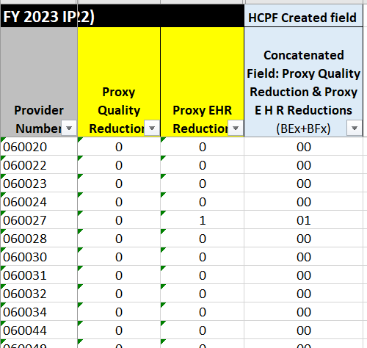
Source: FY 2023 Federal Base Rate / FY 2023 CN Tables 1A-1E (Quality Data & Meaningful EHR users) |  |  |  |  | fields used in concat formula |  |  | FY 2023 Correcting Amendment Tables 1A-1E
 |  |  |  |  |  |  |  | TABLE 1A. FINAL RULE NATIONAL ADJUSTED OPERATING STANDARDIZED AMOUNTS; LABOR/NONLABOR (67.6 PERCENT LABOR SHARE/32.4 PERCENT NONLABOR SHARE IF WAGE INDEX GREATER THAN 1)
 | PPS HOSPITALS |  | NON-PPS HOSPITALS |  |  |  |  | Hospital Submitted Quality Data and is a Meaningful EHR User (Update = 3.8 Percent) |  | Hospital Submitted Quality Data and is NOT a Meaningful EHR User (Update = 0.725 Percent) |  | Hospital Did NOT Submit Quality Data and is a Meaningful EHR User (Update = 2.775 Percent) |  | Hospital Did NOT Submit Quality Data and is NOT a Meaningful EHR User (Update = -0.3 Percent)
 | Wage Index > 1 | Wage Index <= 1 | Non-PPS Medicare Hospitals = 1 |  |  |  |  | Labor-related | Nonlabor-related | Labor-related | Nonlabor-related | Labor-related | Nonlabor-related | Labor-related | Nonlabor-related
Labor-related Amount | $4,310.00 | $3,952.96 | $3,952.96 |  |  |  |  | $4,310.00 | $2,065.74 | $4,182.32 | $2,004.54 | $4,267.44 | $2,045.34 | $4,139.76 | $1,984.15
Nonlabor-related Amount | $2,065.74 | $2,422.78 | $2,422.78
Capital Std Fed Pmt Rate | $483.79 | $483.79 | $483.79 |  |  |  |  | TABLE 1B. FINAL RULE NATIONAL ADJUSTED OPERATING STANDARDIZED AMOUNTS, LABOR/NONLABOR (62 PERCENT LABOR SHARE/38 PERCENT NONLABOR SHARE IF WAGE INDEX LESS THAN OR EQUAL TO 1)
TOTAL: | $6,859.53 | $6,859.53 | $6,859.53 |  |  |  |  | Hospital Submitted Quality Data and is a Meaningful EHR User (Update = 3.8 Percent) |  | Hospital Submitted Quality Data and is NOT a Meaningful EHR User (Update = 0.725 Percent) |  | Hospital Did NOT Submit Quality Data and is a Meaningful EHR User (Update = 2.775 Percent) |  | Hospital Did NOT Submit Quality Data and is NOT a Meaningful EHR User (Update = -0.3 Percent)
 |  |  |  |  |  |  |  | Labor-related | Nonlabor-related | Labor-related | Nonlabor-related | Labor-related | Nonlabor-related | Labor-related | Nonlabor-related
Medicare does not provide Wage Index or Geographic Adjustment Factor (GAF) for non-PPS hospitals. The Department will be assigning them the following figures for the Federal Base Rate. The number 1.00 will appear in the Wage Index and GAF calculations to produce a result. |  |  |  |  |  |  |  | $3,952.96 | $2,422.78 | $3,835.85 | $2,351.01 | $3,913.92 | $2,398.86 | $3,796.82 | $2,327.09
Note: Non-PPS Hospitals are assumed to be Quality Data and be meaningful EHR users since no data exists to suggest otherwise. PPS hospitals who have a Concatenated Formula of 01, 10 or 11 will receive the correspending Non-labor & labor-related amounts below
 |  |  |  |  |  |  |  | TABLE 1C. FINAL RULE ADJUSTED OPERATING STANDARDIZED AMOUNTS FOR HOSPITALS IN PUERTO RICO, LABOR/NONLABOR (NATIONAL: 62 PERCENT LABOR SHARE/38 PERCENT NONLABOR SHARE BECAUSE WAGE INDEX IS LESS THAN OR EQUAL TO 1)
FY 2023 CMS Federal Base Rate / FY 2023 CN Tables 1A-1E |  | CONCAT FORMULA = 01 (Quality Data = 0 and Meaningful E H R User=1) |  | CONCAT FORMULA = 10 (Quality Data = 1 and Meaningful E H R User=0) |  | CONCAT FORMULA = 11 (Quality Data = 1 and Meaningful E H R User=1) |  |  | Rates if Wage Index Greater Than 1 |  | Hospital is a Meaningful EHR User and Wage Index Less Than or Equal to 1 (Update = 3.8) |  | Hospital is NOT a Meaningful EHR User and Wage Index Less Than or Equal to 1 (Update = 1.75)
FY 2023 Correcting Amendment Tables 1A-1E |  |  |  |  |  |  |  |  | Labor | Nonlabor | Labor | Nonlabor | Labor | Nonlabor
TABLE 1A. FINAL RULE NATIONAL ADJUSTED OPERATING STANDARDIZED AMOUNTS; LABOR/NONLABOR (67.6 PERCENT LABOR SHARE/32.4 PERCENT NONLABOR SHARE IF WAGE INDEX GREATER THAN 1) |  |  |  |  |  |  |  | National1 | Not Applicable | Not Applicable | $3,952.96 | $2,422.78 | $3,874.89 | $2,374.93
Hospital Submitted Quality Data and is a Meaningful EHR User (Update = 3.8 Percent) |  | Hospital Submitted Quality Data and is NOT a Meaningful EHR User (Update = 0.725 Percent) |  | Hospital Did NOT Submit Quality Data and is a Meaningful EHR User (Update = 2.775 Percent) |  | Hospital Did NOT Submit Quality Data and is NOT a Meaningful EHR User (Update = -0.3 Percent) |  | 1For FY 2023, there are no CBSAs in Puerto Rico with a national wage index greater than 1.
Labor-related | Nonlabor-related | Labor-related | Nonlabor-related | Labor-related | Nonlabor-related |  | Nonlabor-related
$4,310.00 | $2,065.74 | $4,182.32 | $2,004.54 | $4,267.44 | $2,045.34 | $4,139.76 | $1,984.15 | TABLE 1D. - CAPITAL STANDARD FEDERAL PAYMENT RATE
 |  |  |  |  |  |  |  |  | Rate
TABLE 1B. FINAL RULE NATIONAL ADJUSTED OPERATING STANDARDIZED AMOUNTS, LABOR/NONLABOR (62 PERCENT LABOR SHARE/38 PERCENT NONLABOR SHARE IF WAGE INDEX LESS THAN OR EQUAL TO 1) |  |  |  |  |  |  |  | National | $483.79
Hospital Submitted Quality Data and is a Meaningful EHR User (Update = 3.8 Percent) |  | Hospital Submitted Quality Data and is NOT a Meaningful EHR User (Update = 0.725 Percent) |  | Hospital Did NOT Submit Quality Data and is a Meaningful EHR User (Update = 2.775 Percent) |  | Hospital Did NOT Submit Quality Data and is NOT a Meaningful EHR User (Update = -0.3 Percent)
Labor-related | Nonlabor-related | Labor-related | Nonlabor-related | Labor-related | Nonlabor-related | Labor-related | Nonlabor-related | TABLE 1E- LTCH PPS STANDARD FEDERAL PAYMENT RATE
$3,952.96 | $2,422.78 | $3,835.85 | $2,351.01 | $3,913.92 | $2,398.86 | $3,796.82 | $2,327.09 |  |  |  |  | Full Update (3.8 Percent) | Reduced Update* (1.8 Percent)
 |  |  |  |  |  |  |  | Standard Federal Rate* |  |  |  | $46,432.77 | $45,538.11
TABLE 1C. FINAL RULE ADJUSTED OPERATING STANDARDIZED AMOUNTS FOR HOSPITALS IN PUERTO RICO, LABOR/NONLABOR (NATIONAL: 62 PERCENT LABOR SHARE/38 PERCENT NONLABOR SHARE BECAUSE WAGE INDEX IS LESS THAN OR EQUAL TO 1) |  |  |  |  |  |  |  | * For LTCHs that fail to submit quality reporting data for FY 2023 in accordance with the LTCH Quality Reporting Program (LTCH QRP), the annual update is reduced by 2.0 percentage points as required by section 1886(m)(5) of the Act.
 | Rates if Wage Index Greater Than 1 |  | Hospital is a Meaningful EHR User and Wage Index Less Than or Equal to 1 (Update = 3.8) |  | Hospital is NOT a Meaningful EHR User and Wage Index Less Than or Equal to 1 (Update = 1.75)
 | Labor | Nonlabor | Labor | Nonlabor | Labor | Nonlabor
National1 | Not Applicable | Not Applicable | $3,952.96 | $2,422.78 | $3,874.89 | $2,374.93
1For FY 2023, there are no CBSAs in Puerto Rico with a national wage index greater than 1.

TABLE 1D. - CAPITAL STANDARD FEDERAL PAYMENT RATE
 | Rate
National | $483.79

TABLE 1E- LTCH PPS STANDARD FEDERAL PAYMENT RATE
 |  |  |  | Full Update (3.8 Percent) | Reduced Update* (1.8 Percent)
Standard Federal Rate* |  |  |  | $46,432.77 | $45,538.11
* For LTCHs that fail to submit quality reporting data for FY 2023 in accordance with the LTCH Quality Reporting Program (LTCH QRP), the annual update is reduced by 2.0 percentage points as required by section 1886(m)(5) of the Act.

ime-gme timelines
Slides from 11/2022 Hosp Eng Mtg where the timeline was first presented

