Correcting IPPS IMPACT Data
Request from hospital stakeholder to allow for CMS IPPS IMPACT data to be corrected if it is still incorrect as of 10/1 of rebasing years.

Below is the process the Department has created to fix this issue. This slide was presented during the November 2022 Hospital Engagement Meeting.
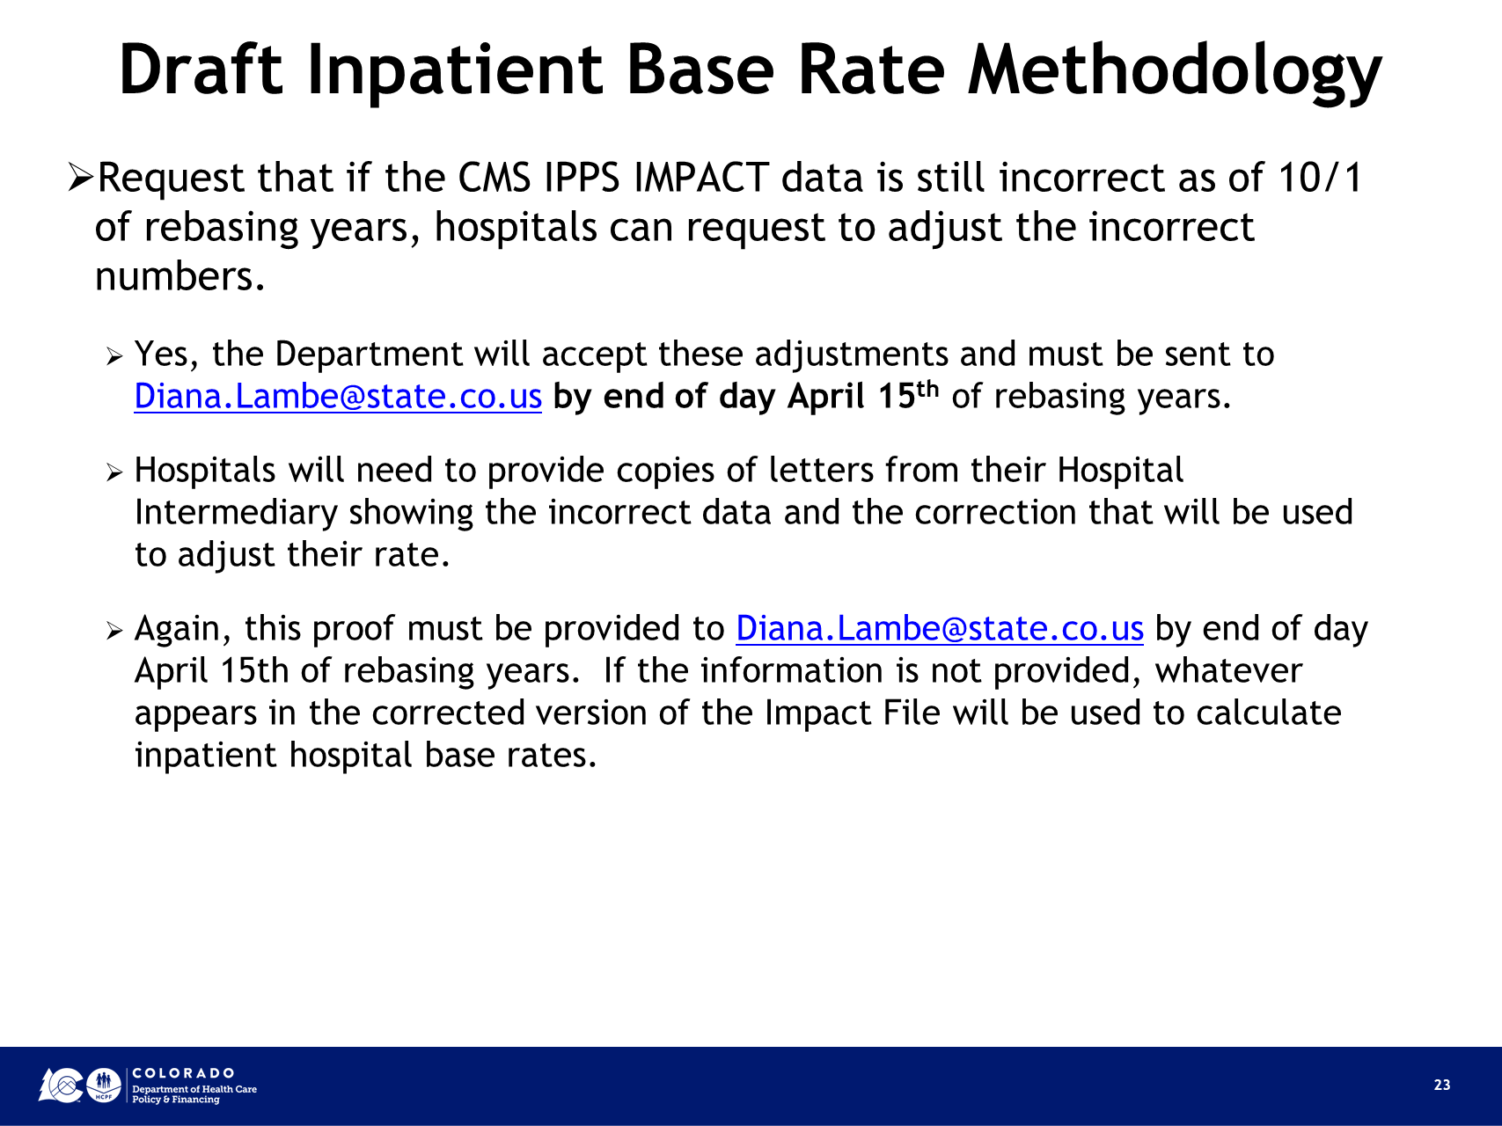

Below are the specific data elements that hospitals can request a change if still incorrect after the correcting files have been posted.

Live Link to Source (if applicable) | Specific Details regarding the data elements used in building Inpatient Hospital Base Rates
Sources: FY 2023 CMS Impact File CN / Table 1A-1E, Tables 15 & 16B Final Rule & Correcting Amendment | Medicare Labor-related amount (Source: Table 1A-1E Final Rule and Correcting Amendment)
 | Wage Index (Source Impact File - Corrected Amendment Final Rule - Non_PPS Hospital Wage Index=1)
 | Medicare Non-labor Related Amount (Source: Table 1A-1E Final Rule and Correcting Amendment)
 | Federal Capital Rate (Source: FY 2023 CN Tables 1A-1E)
 | GAF (Geographic Adjustment Factor) (Source Impact File - Corrected Amendment Final Rule) Non-PPS Hopital GAF=1
 | Operating Indirect Medical Education (IME) % (Source Impact File -Corrected Amendment Final Rule) TCHOP
 | Capital IME % (Source Impact File - Corrected Amendment Final Rule) TCHCP
 | Value Based Purchasing (VBP) Adjustment Factor (Table 15)
 | Readmission Factor (Table 16B)
CMS.gov Data Set: Hospital-Acquired Condition (HAC) Reduction Program | Hospital-Acquired Condition (HAC) Payment Reduction (CMS.gov Data Set)

Due by end of day 4/15/2023, an email containing copies of letters from Hospital Intermediary showing the incorrect data and the correction that will be used to adjust hospital's rate. Send to:
diana.lambe@state.co.us
Diana Lambe, Inpatient Hospital Rates Analyst, Health Care Policy & Financing, 1570 Grant Street, Denver CO 80203

